disclaimer
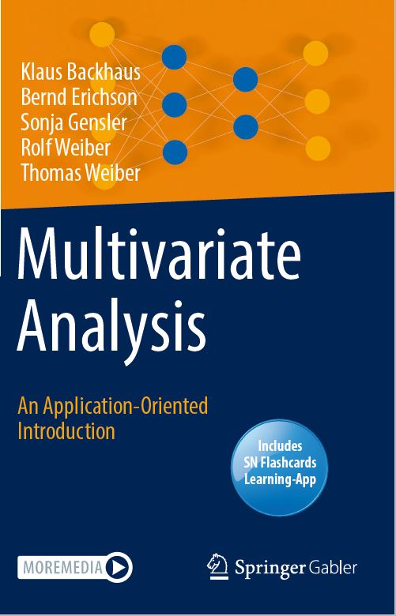
This Excel sheet is supplementary material to the book "Multivariate Analysis - An Application-Oriented Introduction"
by Klaus Backhaus, Bernd Erichson, Sonja Gensler, Rolf Weiber, and Thomas Weiber, 2021, Springer.

The Excel sheet is published under the CC BY-NC-SA licence.

You are free to:
Share | copy and redistribute the material in any medium or format
Adapt | remix, transform, and build upon the material

Under the following terms:
Attribution | You must give appropriate credit, provide a link to the license, and indicate if changes were made.
 | You may do so in any reasonable manner, but not in any way that suggests the licensor endorses you or your use.
NonCommercial | You may not use the material for commercial purposes.
ShareAlike | If you remix, transform, or build upon the material, you must distribute your contributions under the same license as the original.

